Assignment 3
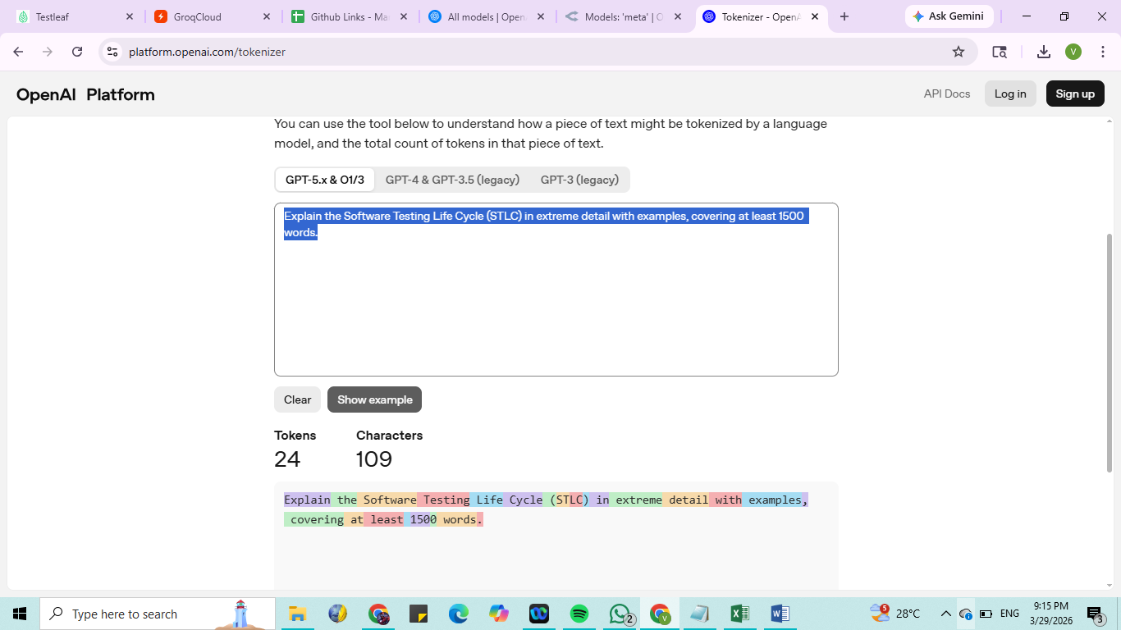
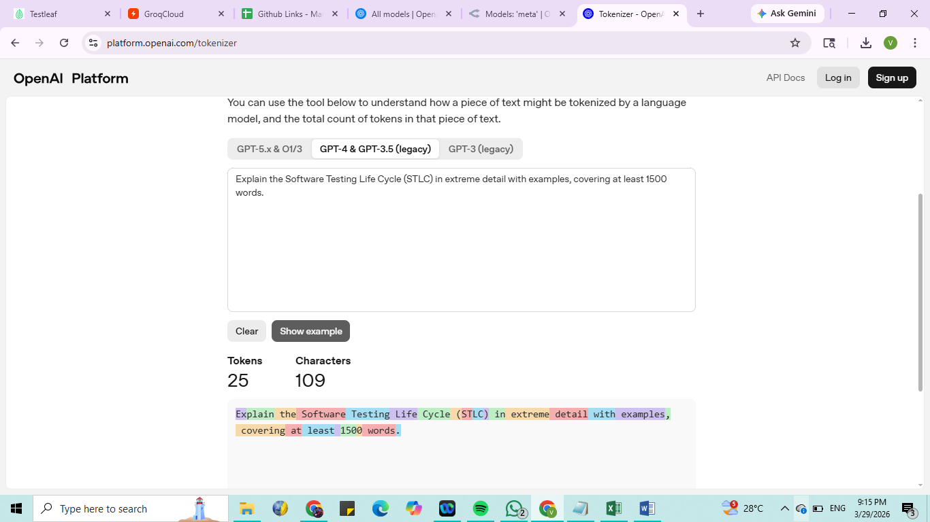
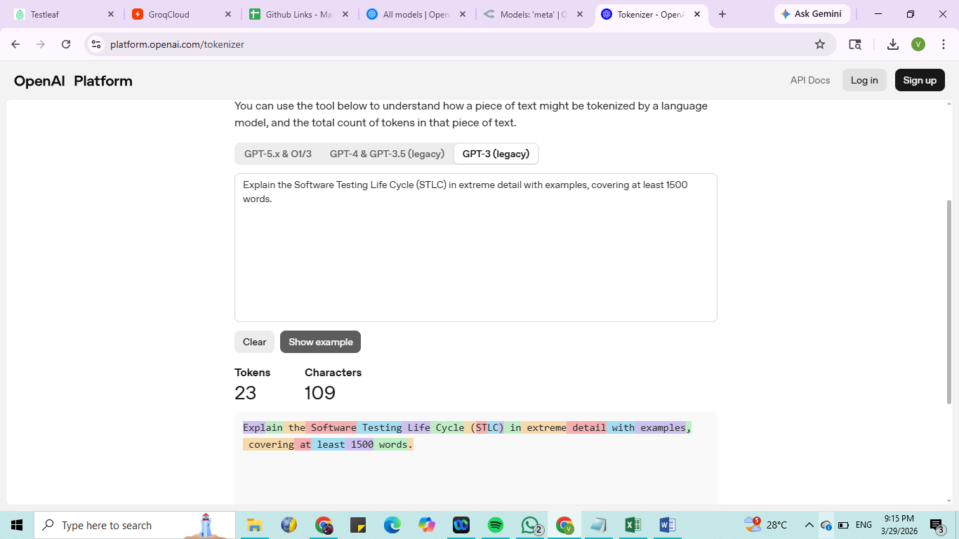
Use the Tokenizer with different prompt and see how the tokens are generated

Prompt 1 : Create a manual test cases for E-commerce application. Test Case should cover up the positive, negative and edge cases.
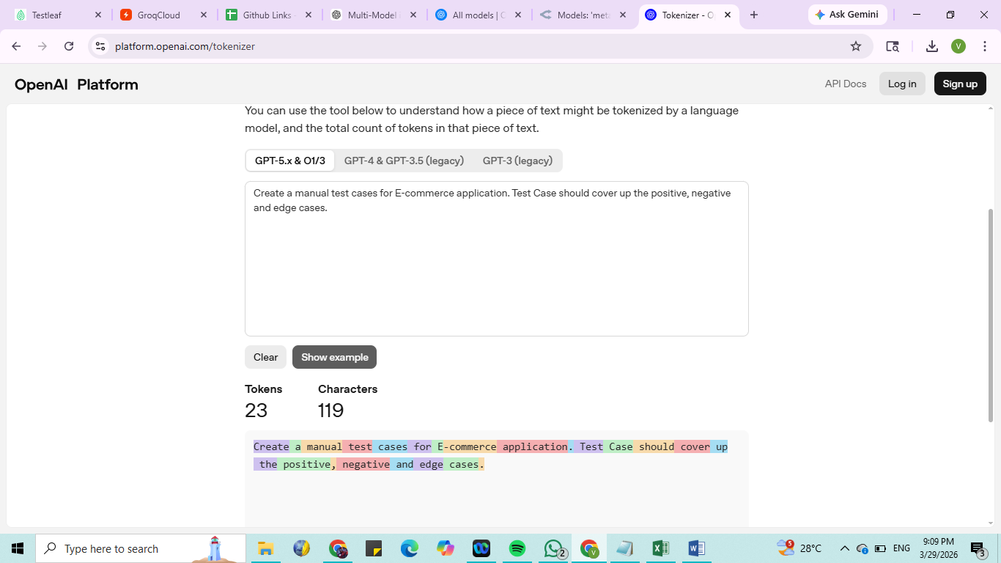



Prompt 2 : Explain the concept of APIs in exactly 50 words.
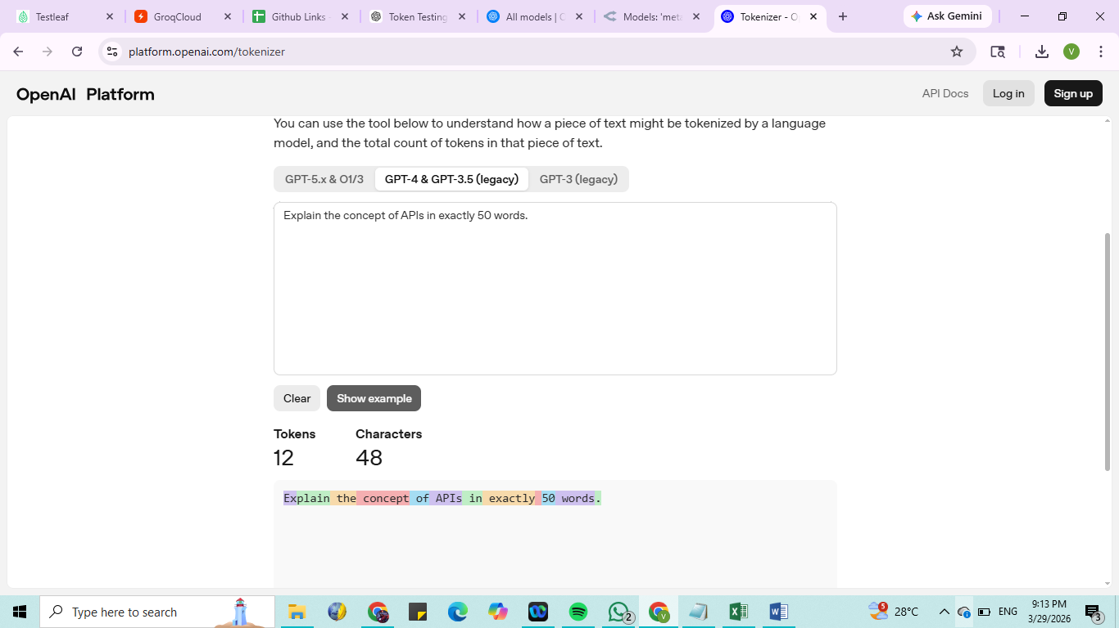
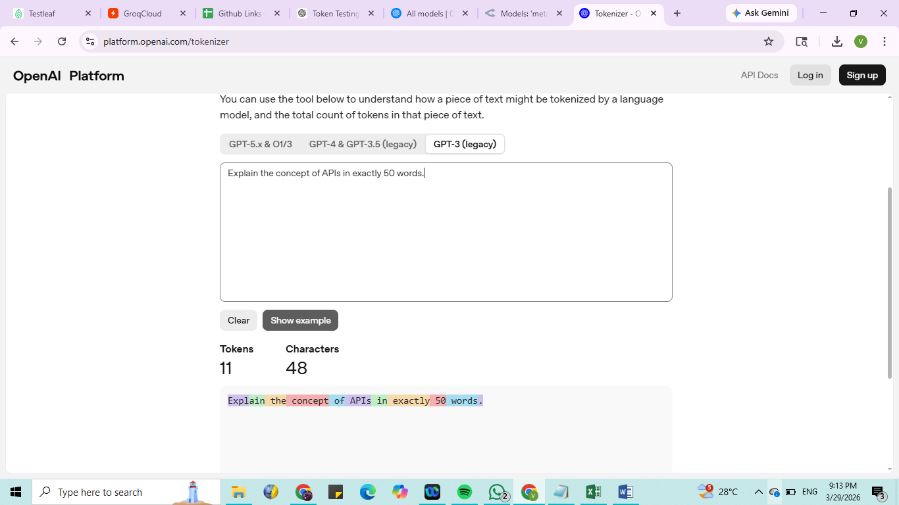
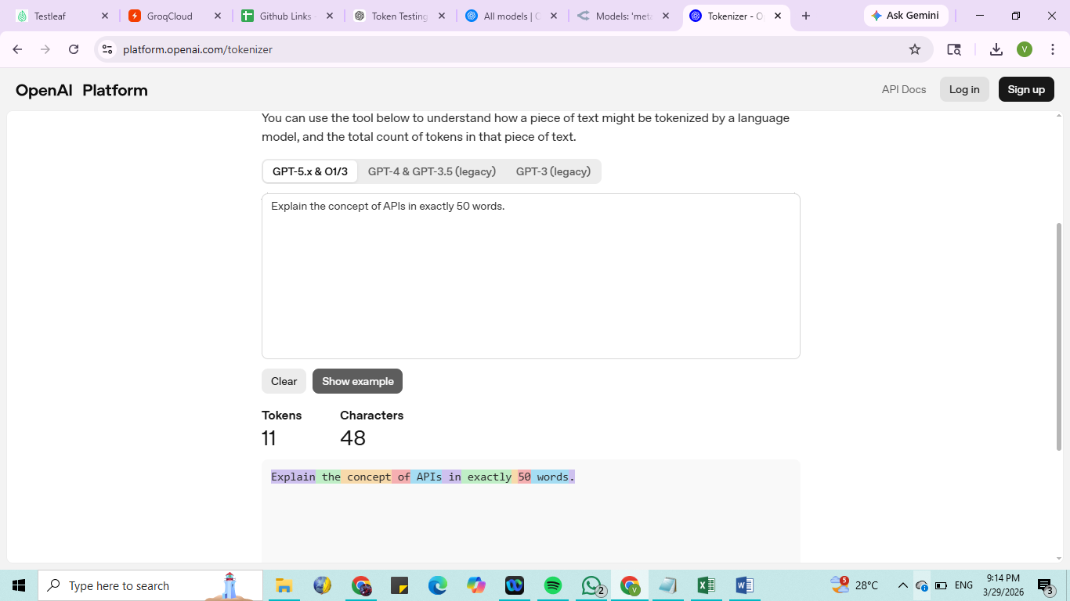

Prompt 3 : Explain the Software Testing Life Cycle (STLC) in extreme detail with examples, covering at least 1500 words.

